Formula Dictionary
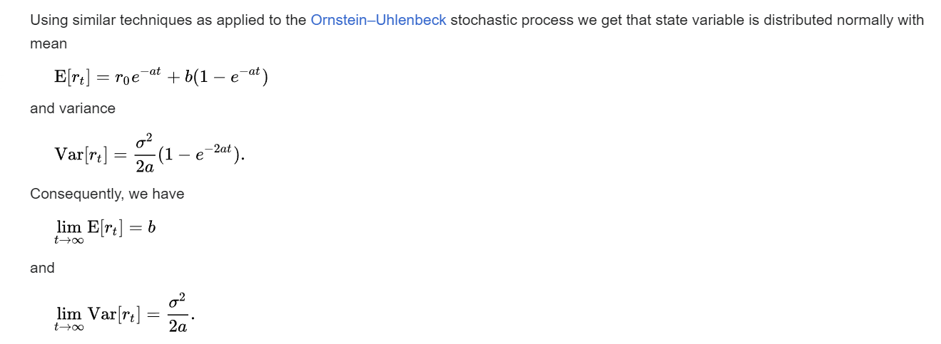

Resource References
https://www.youtube.com/watch?v=X17cpkkwG_4
https://www.youtube.com/watch?v=VSfOeEkNmKQ

MLE
https://www.youtube.com/watch?v=3c55ZoBeUA4

OLS vs MLE comparison
https://victor-bernal.weebly.com/uploads/5/3/6/9/53696137/projectcalibration.pdf

Life insurance using OLS
https://acikbilim.yok.gov.tr/bitstream/handle/20.500.12812/698866/yokAcikBilim_10009403.pdf?sequence=-1&isAllowed=y

